Instructions
v26.1.0 - 2026.05
Instructions for Submitter / CPHC |  | Instructions for Verifier
1 | This calculator should be used to determine lighting inputs in WUFI Passive or METr for non-residential projects and non-residential portions of Mixed-Use projects pursuing Phius Certification. | 1 | This calculator should be used to determine lighting inputs in WUFI Passive or METr for non-residential projects and non-residential portions of Mixed-Use projects pursuing Phius Certification.
2 | Documentation needed to confirm the inputs on the Lighting tab: - Reflected Ceiling Plans (RCPs) - Space-by-space area take-offs - Light Fixture Schedule (LFS) or Basis of Design (BoD) Light Fixture Data | 2 | The Rooms Table and Fixture Table must be reviewed and compared with any updated RCPs and LFS post-Phius Design Certification.
3 | The Space Types Table should be populated first. Reference Section 1.4.4.9 of the Phius 2024 Guidebook. | 3 | Provide written feedback to the Phius CPHC on any updates to Room Types, fixture Types, Wattages and Quantities. Upload a copy of this correspondence to the Phius Dropbox folder for record with the rest of the On-Site Submission.
4 | The Rooms Table is the next section to populate. Individual rooms should fall under specific space types outlined in the table above. 1. Use the dropdown menu in column B for this section and align room tags or numbers and names with floor plans. 2. Input individual room areas and provide take-offs to confirm the inputs. 3. For duplicate room types, use the multiplier column. 4. Assign 'Y' for Occ. Sensors if occupancy sensors are provided to receive a 10% reduction in assumed lighting power density. | 4 | Additional documents to provide for Phius Review: - As-Built RCPs - As-Built Light Schedule or As-Built Light Fixture Submittals
5 | The Fixture Table is the next section to populate. 1. The Type row of data should align with the specific project's fixture schedule. 2. Input the Wattage of each fixture type and provide a LFS with this performance information or a BoD datasheet. 3. Input the Quantity of fixtures per room and provide RCPs to confirm. | 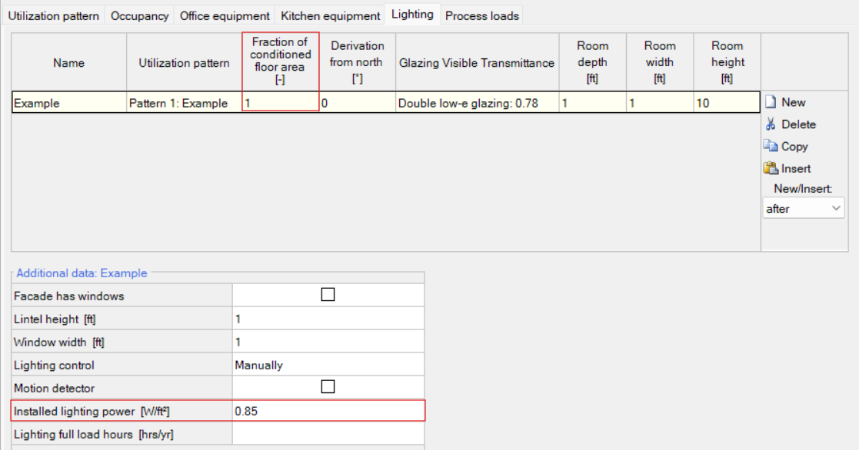
6 | The final step is to record the corresponding Fraction of conditioned floor area and Installed lighting power per space type into WUFI Passive or METr.
7 | Post-Design Certification: Update this document with correspondence from the Phius Verifier as noted in Step 3 of the Instructions for Verifier.

