Occupancy
v25.1.0 - 7/2025
WUFI Passive / METr: Internal Loads/Ocupancy > Occupancy
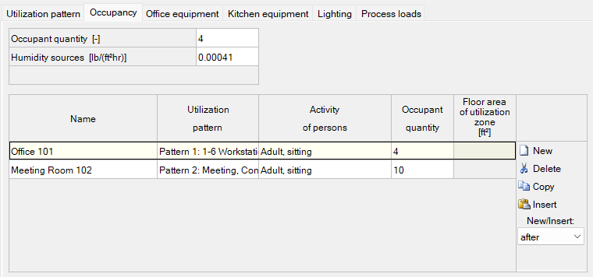
Occupant Quantity (Average) | 4 | WUFI / METr Input →

Occupied Space / Room |  | Utilization Pattern | Activity | Occupant Quantity | WUFI / METr Input →
Office 101 |  | 1-6 Workstation Office | Kid, 0-10 years or Adult, sitting or Adult, standing or light work | 4
Meeting Room 102 |  | Meeting, Conference and Seminar Room |  | 10
- |  | -Select from Dropdown- |  | 0
- |  | -Select from Dropdown- |  | 0
- |  | -Select from Dropdown- |  | 0
- |  | -Select from Dropdown- |  | 0
- |  | -Select from Dropdown- |  | 0
- |  | -Select from Dropdown- |  | 0
- |  | -Select from Dropdown- |  | 0
- |  | -Select from Dropdown- |  | 0
- |  | -Select from Dropdown- |  | 0
- |  | -Select from Dropdown- |  | 0
- |  | -Select from Dropdown- |  | 0
- |  | -Select from Dropdown- |  | 0
- |  | -Select from Dropdown- |  | 0
- |  | -Select from Dropdown- |  | 0
- |  | -Select from Dropdown- |  | 0
- |  | -Select from Dropdown- |  | 0
- |  | -Select from Dropdown- |  | 0
- |  | -Select from Dropdown- |  | 0
- |  | -Select from Dropdown- |  | 0
- |  | -Select from Dropdown- |  | 0
- |  | -Select from Dropdown- |  | 0
- |  | -Select from Dropdown- |  | 0
- |  | -Select from Dropdown- |  | 0
- |  | -Select from Dropdown- |  | 0
- |  | -Select from Dropdown- |  | 0
- |  | -Select from Dropdown- |  | 0
- |  | -Select from Dropdown- |  | 0
- |  | -Select from Dropdown- |  | 0
- |  | -Select from Dropdown- |  | 0
- |  | -Select from Dropdown- |  | 0
- |  | -Select from Dropdown- |  | 0
- |  | -Select from Dropdown- |  | 0
- |  | -Select from Dropdown- |  | 0
- |  | -Select from Dropdown- |  | 0
- |  | -Select from Dropdown- |  | 0
- |  | -Select from Dropdown- |  | 0
- |  | -Select from Dropdown- |  | 0

