Fastener Correction (IP)
Phius Point Fastener Correction Calculator v25.1.0 (2025.04) |  |  | Instructions and Notes
 |  |  | Required input cells | Calculated
 |  |  | Required dropdown menu inputs | Results

Inputs for WUFI Passive or METr |  | Units
Adjusted Insulation R-value per inch: | - | R-value/in [hr.ft2.F/Btu.in] | Adjusted thermal resistance per inch of the insulation layer penetrated by point fasteners. (R-value/inch of the insulation should be adjusted in WUFI Passive to align with this value.)
Adjusted Insulation R-Value [R1a] | - | R-value [hr.ft2.F/Btu] | Adjusted thermal resistance of the insulation layer penetrated by point fasteners. (Informational)

Fastener Information |  | Units |  |  | Fastener Materials | Thermal Conductivity [W/mK]
Recessed Fasteners? | < Select > | True or False | Choose 'True' if the point fasteners start below the surface of the exterior insulation if not, choose 'False'. |  | Aluminum | 160
Fastener Material | < Select > |  | Input the material from which the point fastener is made and provide documentation to confirm. |  | Mild Steel | 50
Fastener Diameter [Df] |  | Inches [in] | Nominal diameter of the point fastener. |  | Stainless Steel | 17
Area of Fastener [Af] | 0.000 | Square Inches [in2] | Cross sectional area of one point fastener. (For a screw, bolt or nail, this area is calculated using the diameter of the fastener. A = π x (D/2)2) |  | Solid Plastic* | 0.21
 |  |  |  |  | User Defined
Density of Fasteners |  | Units |  |  | per ISO 6946:2007(E), section D.3
Assembly Area |  | Square Feet [sf] | Area of assembly being assessed. (If a typical 4'x8' section of material is being analyzed, input 32 sf) |  | *No correction required for the following cases:
Fastener Count |  | Quantity | Number of point fasteners used in the area being assessed. |  | a) Where there are wall ties across an empty cavity.
Fastener Density [nf] | - | Quantity/sf | Point fastener density based on the area of the assembly being assessed and the number of fasteners. |  | b) When the thermal conductivity of the fastener is less than 1 W/mK.

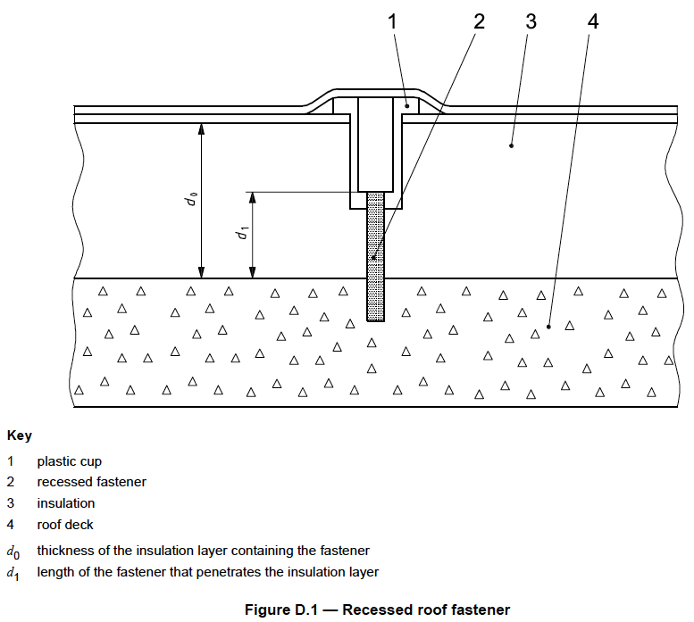
Assembly Information |  | Units
Depth of Insulation [d0] |  | Inches [in] | Thickness of the insulation layer containing point fasteners.
Insulation R-value per inch |  | R-value/in [hr.ft2.F/Btu.in] | Thermal resistance per inch of the insulation containing point fasteners.
Insulation R-Value [R1] | 0.0 | R-value [hr.ft2.F/Btu] | Thermal resistance of the insulation layer penetrated by the point fasteners
Depth of Fastener [d1] |  | Inches [in] | Length of the point fastener that penetrates the insulation layer. (d1 can be greater than the thickness of the insulation layer if the fastener passes through it at an angle.)
Homogenous R-Value [RTh] |  | R-value [hr.ft2.F/Btu] | Total thermal resistance of the assembly ignoring any thermal bridging. (The sum of the resistance layers, ignoring framing.)

