ERV Outside Thermal Envelope
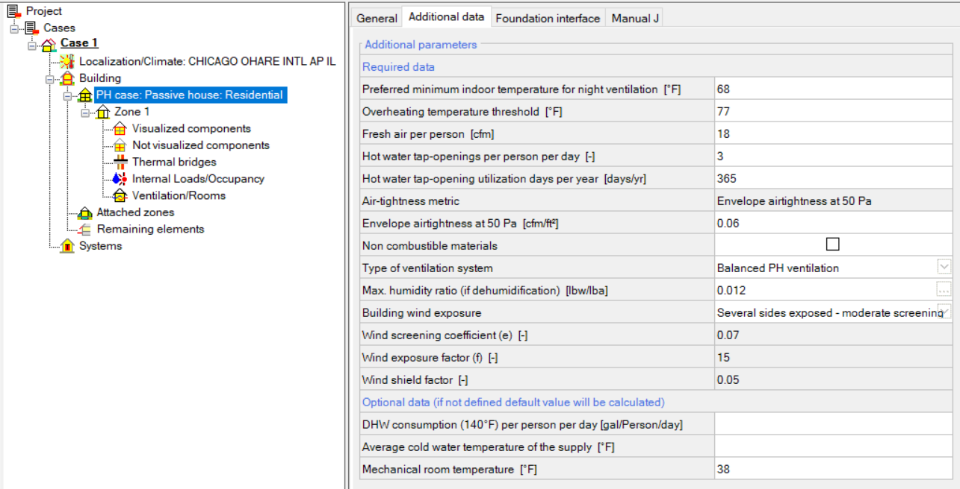
 | v25.1.0 - 2025.04
 | E/HRV Outside of the Thermal Envelope |  |  | Notes/Instructions
 |  |  |  | Required dropdown menu inputs. | Calculated Value | Instructions
 |  |  |  | Use this calculator when an ERV or HRV is located outside of the thermal envelope. (Eg. Rooftop, a mechanical penthouse outside of the thermal envelope or in a mechanical room that is unconditioned and outside of the thermal envelope)
1 | Climate Information |  |  | Step 1: Choose climate data from the dropdown options to the left.
 | Type of Phius Climate Data: |  | Select
 | Country | State
 | Select | Select
 | Phius Climate Location
 | Select

2 | For WUFI Passive / METr |  |  | Step 2: Input the calculated 'Mechanical room temperature' as shown in the screenshot below.
 | Mechanical Room Temperature [ºF] |  | -

