Phius TOTALS
MELs (kWh/yr)**
 | MELS (kWh/yr)
Dwelling | 34,998
Common Space | 2,940
Interior Lighting (kWh/yr)**
 | Interior Lighting Breakdown (kWh/yr)
Dwelling | 12,919
Common Space | 15,768
Phius Multi-Family Calculator | v24.0.2 | Navigate to Definitions | Phius Notes/Instructions*
Lighting & Plug Loads for WUFI Passive |  |  | *Enter information |  | *Calculated values, do not override | *Results
Number of Units | 40 | 1
Design Occupancy | 95 | 2
Number of Bedrooms | 55 | 3
MELDWELL (kWh/yr) | 34,998 | 4
Interior MELYARD (kWh/yr) | - | 5
MELCOMM (kWh/yr) | 2,940 | 6
Total MEL (kWh/yr) | 37,938 | 7
LIGHTSINT,DWELL (kWh/yr) | 12,919 | 8
LIGHTSINT,COMM (kWh/yr) | 15,768 | 9
Total LIGHTSINT (kWh/yr) | 28,687 | 10
LIGHTSEXT,DWELL (kWh/yr) | 1,058 | 11
LIGHTSEXT,COMM (kWh/yr) | - | 12
LIGHTSGAR (kWh/yr) | 800 | 13
Total LIGHTSEXT (kWh/yr) | 1,858 | 14
Exterior MELYARD (kWh/yr) | - | 15
iCFADWELL (sf) | 25,750 | 16 |  | *Commas are delineated in the calculated values for visual clarity, but no commas should be included when inputting values into WUFI Passive. The software treats commas as decimal points. **Graphs above are for visualization purposes to help inform the designer, all WUFI entries should be taken from Column C to the left.
iCFACOMM (sf) | 3,360 | 17
iCFAREF (sf) | 29,110 | 18

Elevator Calculations (ES MFNC)
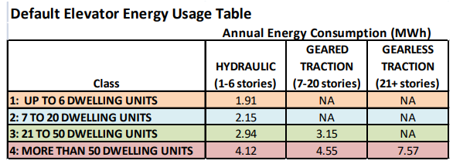
REFERENCE CALCULATIONS ONLY. NO INPUTS REQUIRED ON THIS TAB.
Dwelling Units | Stories served by elevator | Default Elevator Energy Usage Table
40 | 4 | Class | Annual Energy Consumption (kWh/yr)
 |  |  | Hydraulic | Geared Traction | Gearless Traction
Elevator End-use | 2,940 |  | 1-6 Stories | 7-20 Stories | 21+ Stories
 |  | 1-6 DU | 1,910 | - | -
 |  | 7-20 DU | 2,150 | - | -
 |  | 21-50 DU | 2,940 | 3,150 | -
 |  | 50+ DU | 4,120 | 4,550 | 7,570
https://www.energystar.gov/sites/default/files/asset/document/ENERGY_STAR_MFNC_Simulation_Guidelines_AppG2016_Version_1_Rev01.pdf

