Booster Pump Estimator
 | v24.1.1 - 2024.07
 | Phius Water Pressure Booster Pump Estimator |  |  | Required inputs |  | Calculated cells
 |  |  |  | Optional Inputs |  | Results

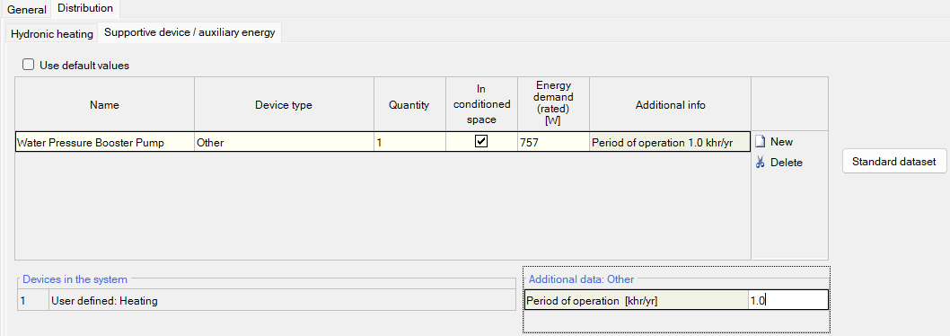
 | Results for WUFI Passive
 |  | Energy demand (rated): | 757 | W
 |  | Period of Operation: | 1.0 | khr/yr

 | Project Information
 |  | Building Height: | 47.50 | ft | Water service to top-most water fixture.

 |  | Number of Dwelling Units: | 50
 |  | Optional Inputs with Default Assumptions
 |  | Street Pressure: | 30 | psi | Default: 30
 |  | Pressure at fixture: | 30 | psi | Default: 30
 |  | Assumed friction losses: | 10 | psi | Default: 10
 |  | Pump Efficiency: | 30% |  | Default: 30%
 |  | Motor Efficiency: | 75% |  | Default: 75%
 |  | VFD Efficiency: | 97% |  | Default 97%

 | Calculations
 |  | Average Daily Water Use: | 40.9 | ml/s | per dwelling unit
 |  | Static Pressure: | 20.6 | psi | calc'd from building height
 |  | Pump Head Req (no friction): | 30.6 | psi
↓ |  | Use Profile
 |  | Table below uses reference data from the ASHRAE Handbook Applications 2015 Chapter 50, p50.19.
 |  | Hour | Use / hour [ml/s] | GPH | Avg. GPM | Avg. Power [kW]
 |  | 1 | 1.65 | 78.4 | 1.3 | 0.08
 |  | 2 | 1.45 | 68.9 | 1.1 | 0.07
 |  | 3 | 1.25 | 59.4 | 1.0 | 0.06
 |  | 4 | 1.30 | 61.7 | 1.0 | 0.06
 |  | 5 | 1.25 | 59.4 | 1.0 | 0.06
 |  | 6 | 1.25 | 59.4 | 1.0 | 0.06
 |  | 7 | 1.47 | 69.8 | 1.2 | 0.07
 |  | 8 | 1.80 | 85.5 | 1.4 | 0.09
 |  | 9 | 2.90 | 137.8 | 2.3 | 0.14
 |  | 10 | 2.55 | 121.1 | 2.0 | 0.12
 |  | 11 | 2.25 | 106.9 | 1.8 | 0.11
 |  | 12 | 2.10 | 99.8 | 1.7 | 0.10
 |  | 13 | 2.15 | 102.1 | 1.7 | 0.10
 |  | 14 | 1.80 | 85.5 | 1.4 | 0.09
 |  | 15 | 1.45 | 68.9 | 1.1 | 0.07
 |  | 16 | 1.40 | 66.5 | 1.1 | 0.07
 |  | 17 | 1.35 | 64.1 | 1.1 | 0.07
 |  | 18 | 1.80 | 85.5 | 1.4 | 0.09
 |  | 19 | 2.25 | 106.9 | 1.8 | 0.11
 |  | 20 | 2.00 | 95.0 | 1.6 | 0.10
 |  | 21 | 2.20 | 104.5 | 1.7 | 0.11
 |  | 22 | 1.80 | 85.5 | 1.4 | 0.09
 |  | 23 | 1.60 | 76.0 | 1.3 | 0.08
 |  | 24 | 2.00 | 95.0 | 1.6 | 0.10
 |  | Used Pump Power Equation. Assumed that the head is mostly the static head, as the flow rates are so low that friction is likely insignificant. Also assumed that pump efficiency drops to that shown above based on the change in position on the curve.

