Fastener Correction (IP)
Phius Fastener Correction Calculator v24.1.1 |  |  | Instructions and Notes
 |  |  | Required input cells | Calculated
 |  |  | Required dropdown menu inputs | Results

Results |  | Units
Adjusted R-Value | Pending Selection | R-value [hr.sf°F/BTU] | Adjusted R-value after fastener reduction taken into account. Modeled assembly should match this overall R-value before framing has been assigned.

Fastener Information |  |  |  |  | Fastener Materials | Thermal Conductivity [W/mK]
Recessed Fasteners? | Select From Dropdown | True or False | If the fasteners start below the surface of the exterior insulation, choose 'True', if not, choose 'False'. |  | Aluminum | 160
Fastener Material | Stainless Steel |  | Input the material from which the fastener is made and provide documentation to confirm. |  | Mild Steel | 50
Fastener Diameter [Df] | 0.250 | Inches [in] | Nominal diameter of the fastener. |  | Stainless Steel | 17
Area of Fastener [Af] | 0.049 | Square Inches [in2] | Cross sectional area of one fastener. For a screw, bolt or nail, this area is calculated using the diameter of the fastener. A = π x (D/2)2 |  | Solid Plastic* | 0.21
 |  |  |  |  | User Defined
Density of Fasteners |  |  |  |  | per ISO 6946:2007(E), section D.3
Assembly Area | 32 | Square Feet [sf] | Area of assembly being assessed. (If a typical 4'x8' section of material is being analyzed, input 32 sf) |  | *No correction required for the following cases:
Fastener Count | 27 | Quantity | Number of fasteners used in the area being assessed. |  | a) Where there are wall ties across an empty cavity.
Fastener Density [nf] | 0.844 | Quantity/sf | Fastener density based on the area of the assembly being assessed and the number of fasteners. |  | b) When the thermal conductivity of the fastener is less than 1 W/mK.

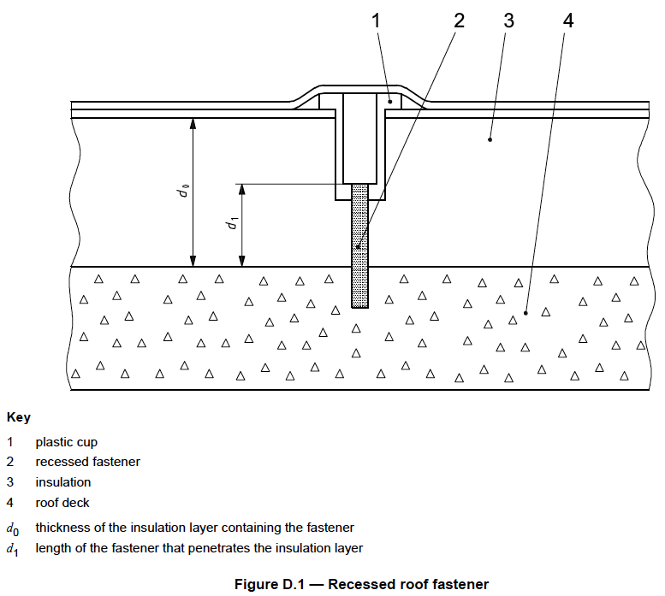
Assembly Information
Depth of Insulation [d0] | 4.0 | in | Thickness of the insulation layer containing fasteners.
Insulation R-value per inch | 4.0 | R-value/in | Thermal resistance per inch of the insulation containing fasteners.
Insulation R-Value [R1] | 16.0 | R-value | Thermal resistance of the insulation layer penetrated by the fasteners
Depth of Fastener [d1] | 4.0 | in | Length of the fastener that penetrates the insulation layer. d1 can be greater than the thickness of the insulation layer if the fastener passes through it at an angle.
Homogenous R-Value [RTh] | 46.5 | R-value | Total thermal resistance of the assembly ignoring any thermal bridging. The sum of the resistance layers, ignoring framing.

