Calculator
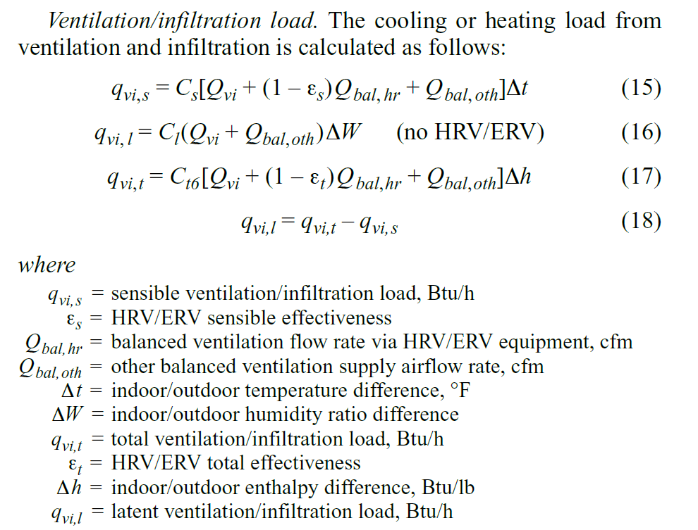
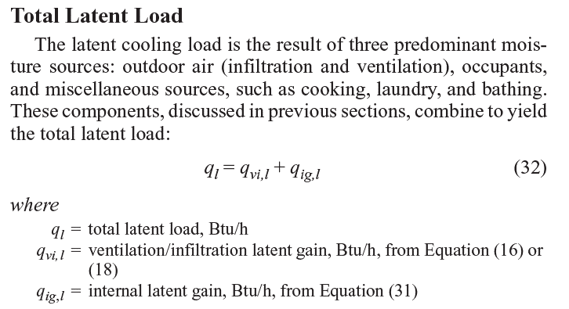
 | Latent Cooling Load Calculator v2.3
 | SOURCE: ASHRAE Fundamentals 2013 |  | Default
 | Chapter 17 |  | Input
 |  |  | Calc'd value

 | Description | Value | Units | Source
 | Location | Chicago, IL (Midway) |  | WUFI / Project Data
 | Dehumidification design humidity ratio (0.4%) | 134 | grains/lb | ASHRAE
 | Mean Coincident DB @ Design dehum ratio | 84.1 | F | ASHRAE
 | Net Volume | 63545 | ft3 | WUFI / Project Data
 | Occupancy | 24 | people | WUFI / Project Data
 | iCFA | 9177 | ft2 | WUFI / Project Data

 | Qvi (combined infiltration/ventilation flow rate, not including balanced component) - NATURAL infiltration rate | 0.13 | 1/hr | WUFI / Project Data
 | Qvi | 137.68083333 | cfm | Calc
 | HRV/ERV? (YES/NO) | YES |  | WUFI / Project Data
 | Es, ERV/HRV sensible effectiveness | 84% | % (0-1) | WUFI / Project Data
 | Qbal, hr | 480 | cfm | WUFI / Project Data
 | Qbal, oth | 14.16 | cfm | WUFI / Project Data
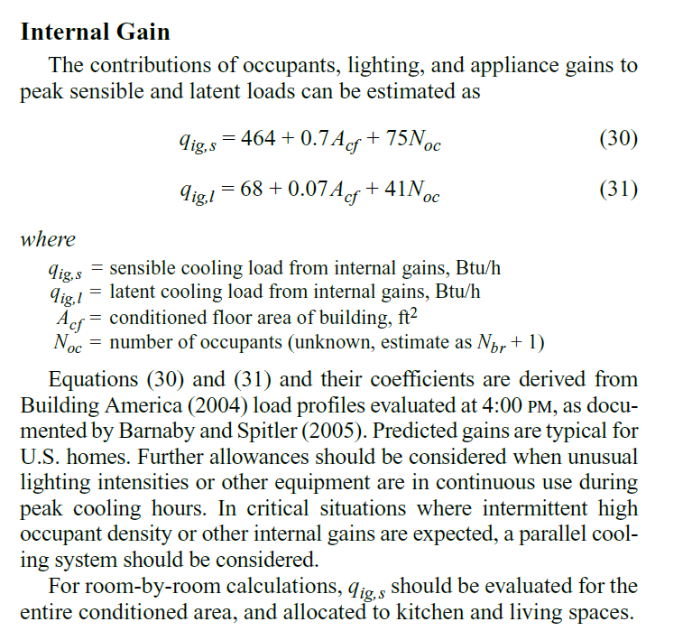
 | Indoor Temp | 77 | F | Default
 | Outdoor Temp (MCDB @ DDHR) | 84.1 | F | ASHRAE
 | delta T | 7.1 | F | Calc
 | Outdoor moisture | 134 | grains/lb | ASHRAE
 | Outdoor moisture | 0.019142857143 | lbw/lbda | Calc
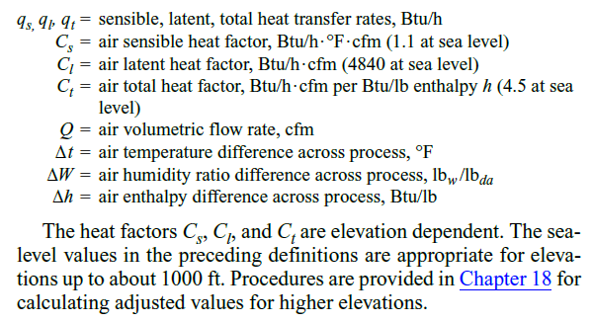
 | Indoor Moisture (default to 77F, 60% RH) | 83.27342835 | grains/lb | Default
 | Indoor Moisture (default to 77F, 60% RH) | 0.01189620405 | lbw/lbda | Default
 | delta W | 0.0072466530929 | humidity ratio difference | Calc
 | Et, ERV/HRV total effectiveness | 64% | % (0-1) | WUFI / Project Data ?
 | Outdoor air enthalpy (with DB & Humidity Ratio) | 41.5 | BTU/lb | Psychometric Chart/Calc
 | Indoor Air enthalpy (default to 77F, 60% RH) | 31.508579924 | BTU/lb | Default
 | delta h | 9.9914200757 | BTU/lb | Calc
 | Cs (air sensible heat factor) default 1.1 @ sea level. Applicable up to 1000ft in elevation. More info in Chapter 18 | 1.1 | BTU/hr.F.cfm | Default
 | Cl (air latent heat factor) | 4840 | BTU/hr.cfm | Default
 | Ct (air total heat factor) | 4.5 | BTU/hr.cfm/BTU/lb | Default

(15) | qvi,s (sensible ventilation/infiltration load) | 1785.6849083 | BTU/hr | Calc
(17) | qvi,t | 14596.303228 | BTU/hr | Calc
(16) | qvi,l NO HRV/ERV | 22161.059633 | BTU/hr | Calc
 | qvi,l with HRV/ERV | 12810.61832 | BTU/hr | Calc

(18) | qvi, l (Ventilation/infiltration latent gain) | 12,811 | BTU/hr
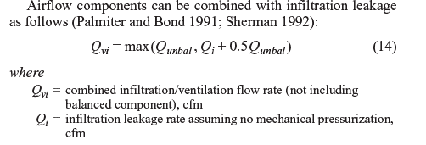
(31) | qig, l (intenal latent gain) | 1,694 | BTU/hr

(32) | TOTAL LATENT COOLING LOAD | 14,505 | BTU/hr

Chicago Example Data
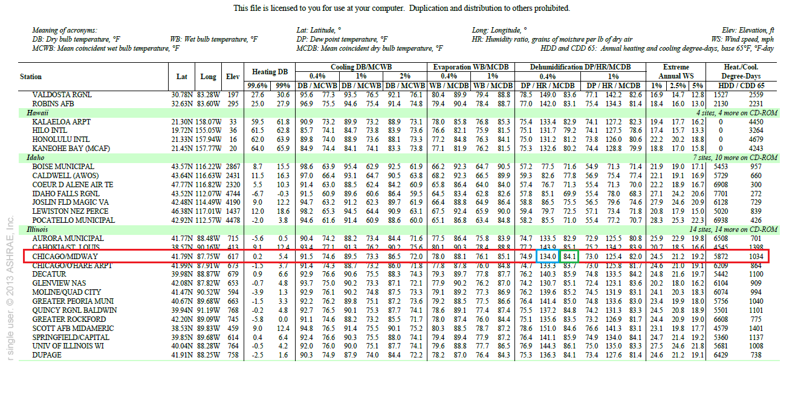

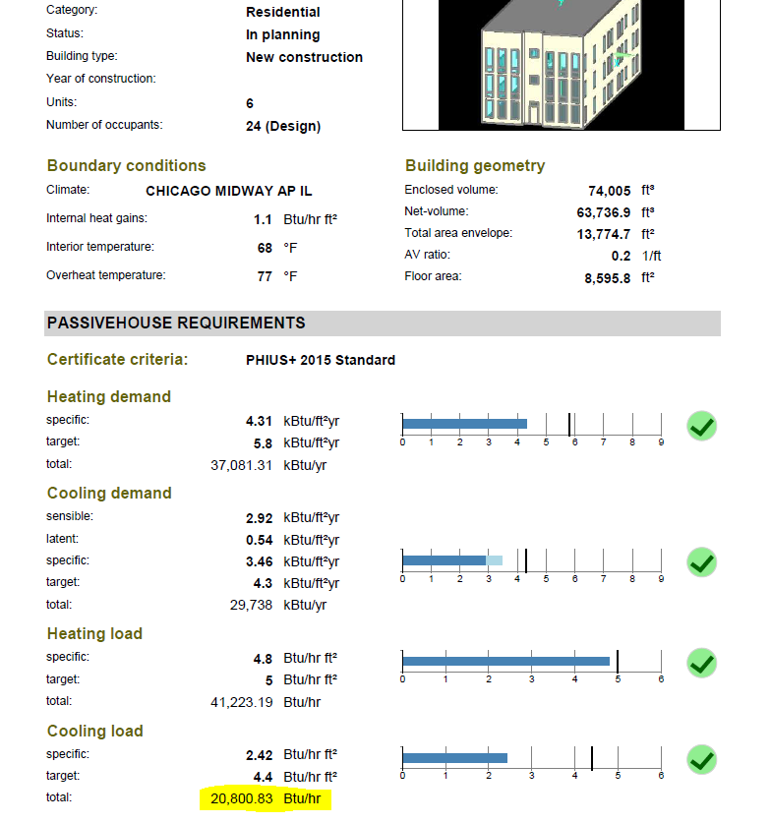
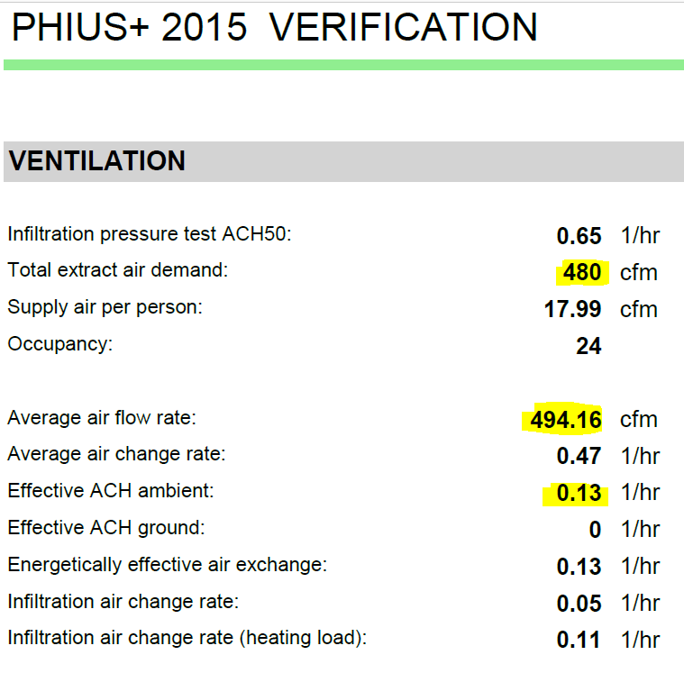

Psychometric Chart
