Start Here
 | v2.2 - 2022.03
 | Air Source Heat Pump calculator for phius Certification |  |  | PHIUS Notes/Instructions
 |  |  |  | Required input cells. |  | Required dropdown menu inputs. |  | *Results in green
 |  |  |  | Instructions are italicized. |  | Calculated cells from another sheet. |  | Calculated cells.
1 | Climate Information |  |  | Step 1: Choose climate data from the dropdown options to the left.
 | Country | State |  | Step 2: Review heating performance inputs for WUFI in options 2a, 2b, and 2c below.
 | USA | IL |  | 2a | HSPF is the only rating provided, and only one outdoor heat pump type is planned.
 | Climate Location
 | CHICAGO OHARE INTL AP |  |  | Under System 1 select a 'heat pump' and assign coverage to 'heating' by checking the box under the 'General' tab. The device will appear in the tree below. For that specific device, set the 'Type' to 'Heat pump'. Input the COP and Total System Performance ratio of heat generator calculated under section 2 to the left. |  |  | 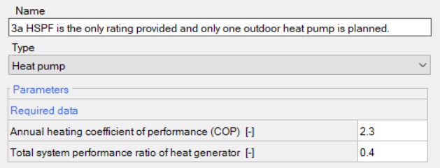

2 | Heating performance values for WUFI Passive.

 | Rated HSPF | 10.2
 | Coefficient of Performance (COP) |  | 1.94 | 2b | The COPs at 47F and 17F are known in addition to the HSPF, and only one outdoor heat pump type is planned.

 |  |  |  | Follow Step 1 & Step 2a, but set the 'Type' to 'Heat pump - rated monthly' and input the rated COPs at 47F and 17F.
 | System Performance Ratio of Heat Generation |  | 0.52
 |  |  |  | 2c | Multiple types of outdoor heat pumps are planned.
 |  |  |  | Follow Step 1, then use the multiple heat pumps calculator tab of this worksheet. Input the rated COP at 47F & 17F or HSPF as applicable per different outdoor unit planned.
 |  |  |  | Step 3: Review cooling performance inputs for WUFI in options 3a, 3b and 3c below.
3 | Cooling performance values for WUFI Passive. |  |  | 3a | SEER & EER ratings are provided, and only one outdoor heat pump type is planned.

 |  |  |  | Under System 1 select the 'heat pump' noted created in step 2 and assign coverage to 'cooling' by checking the box under the 'General' tab. Proceed to 'Distribution > Cooling' Check the box for 'Cooling via recirculation'. Input the capacity of the unit from the datasheet provided in [kBtu/hr]. Calculate the recirculation air flow rate [cfm] by assuming 300 cfm per 12 kBtu/hr of cooling capacity from the outdoor condenser. Calculate the cooling COP via this formula: (Rated EER + Derated SEER) ÷ (2 x 3.412)
 | Rated SEER | 20.2
 | Derated SEER |  | 17.7

 |  |  |  | 3b | IEER rating is provided, and only one outdoor heat pump type is planned.
 |  |  |  | Follow the first half of 3a, but calculate the cooling COP via this formula: IEER ÷ 3.412
 |  |  |  | 3c | Multiple types of outdoor heat pumps are planned.
 |  |  |  | Use the multiple heat pumps calculator tab of this worksheet. Input the rated EER & SEER or IEER.

 |  |  |  | Derated HSPF & SEER ratings determined by FSEC-PF-413-04: Climate Impacts on Heating Seasonal Performance Factor (HSFP) and Seasonal Energy Efficiency Ratio (SEER) for Air Source Heat Pumps.

 |  |  |  | http://www.fsec.ucf.edu/en/publications/html/fsec-pf-413-04/

