How To
Duplicate tabs below as needed.
Use 'Two 1-D Components' for most details - when only two unique components make up the thermal bridge calculation.
Use 'Three 1-D Components' when three unique components make up the thermal bridge calculation.

Enter project information.
Move red box to select general location of bridge calculated.
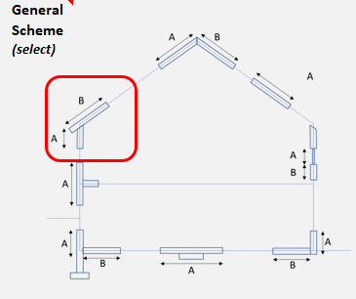

Enter appropriate values from THERM calculation.
Screenshot appropriate images as described in boxes.
Select Cells A1-U70
File > Print > PDF > Print Selection Only > Fit all Columns on Page for single page report.

V2.4
2022-04-18

Two 1-D Components
 |  | Phius Thermal Bridging Psi-Value Calculator & Report v2.4

 |  |  |  |  |  |  |  |  |  | Detail view
 | Detail
 | Description
 | File name

 | Project name
 | Project #
 | Date
 | Company

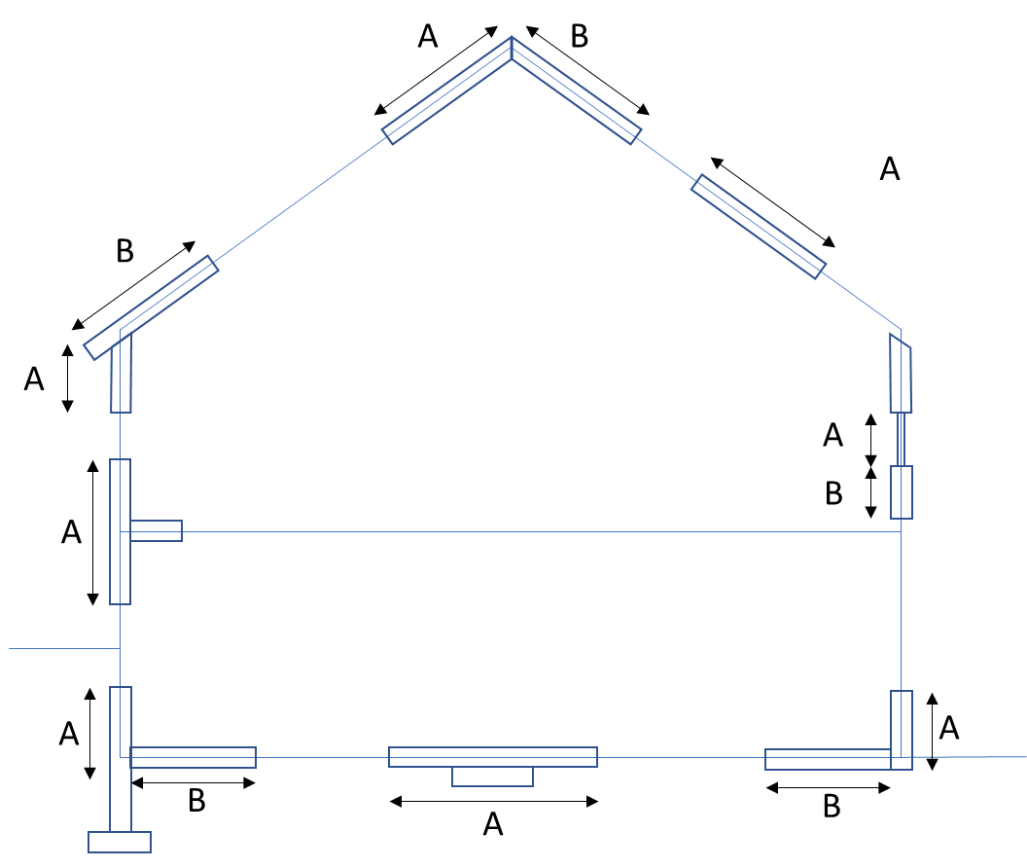
 | General Scheme (select)
 |  |  |  |  |  | Boundary |  |  | Surface
 |  |  |  |  |  | Conditions |  | T (F) | Film
 |  |  |  |  |  |  |  |  | Resist.
 |  |  |  |  |  | Indoor |  |  | (R-Value)
 |  |  |  |  |  | Wall | Ex. | 68 | 0.74 | Material View
 |  |  |  |  |  | Roof | Ex. | 68 | 0.57
 |  |  |  |  |  | Floor | Ex. | 68 | 0.97

 |  |  |  |  |  | Outdoor
 |  |  |  |  |  | Ambient | Ex. | 14 | 0.23/0.45
 |  |  |  |  |  | Ground | Ex. | 41 | 0

 | *Enter values from THERM into yellow cells

 |  |  |  | U | dT | L | ULdT | error
 | 2D model |  |  | (btu/hr.sf.F) | (F) | (in) | (btu/hr.ft) | (%)
 |  |  | Interior |  |  |  | 0.00
 |  |  | Exterior |  |  |  | 0.00
 |  |  |  |  |  |  |  |  |  | Isotherm view
 | Component |  |  | U | dT | L | ULdT | error
 |  |  |  | (btu/hr.sf.F) | (F) | (in) | (btu/hr.ft) | (%)
 | Component A |  | Interior |  |  |  | 0.00
 |  |  | Exterior | 0.000 | 0.00 | 0.00 | 0.00 | 0.00%

 | Component B |  | Interior |  |  |  | 0.00 |  |  |  | `
 |  |  | Exterior | 0.0000 | 0.00 | 0.00 | 0.00 | 0.00%

 | Psi |  |  | PsidT | dT | Psi | Psi for WUFI
 | #DIV/0! |  |  | (btu/hr.ft) | (F) | (btu/hr.ft.F) | (btu/hr.ft.F)
 |  |  | Interior | 0.00 | 0.00 | #DIV/0! | #DIV/0!
 |  |  | Exterior | 0.00 | 0.00 | #DIV/0!
 | #DIV/0!

Component A |  |  |  |  | Component B |  |  |  |  | Infrared

Example
 |  | Phius Thermal Bridging Psi-Value Calculator & Report v2.4

 |  |  |  |  |  |  |  |  |  |  | 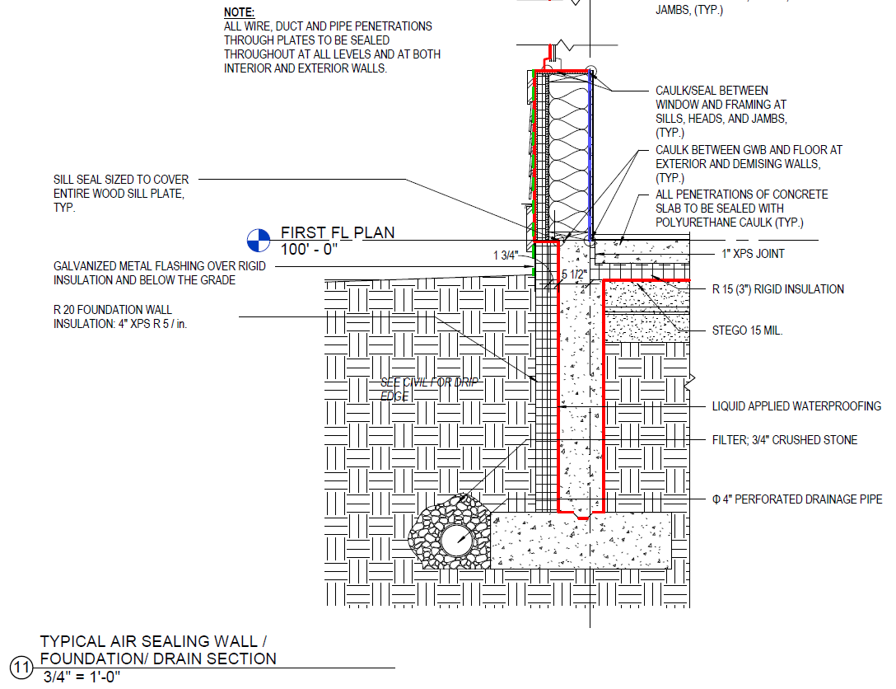 Detail view
 | Detail
 | Description |  | Typical Perimeter
 | File name |  | Example File

 | Project name |  | n/a
 | Project # |  | n/a
 | Date |  | 2018-12-10
 | Company |  | PHIUS

 | General Scheme (select)
 |  |  |  |  |  |  | Boundary |  |  | Surface
 |  |  |  |  |  |  | Conditions |  | T (F) | Film
 |  |  |  |  |  |  |  |  |  | Resist.
 |  |  |  |  |  |  | Indoor |  |  | (R-Value)
 |  |  |  |  |  |  | Wall | Ex. | 68 | 0.74 | 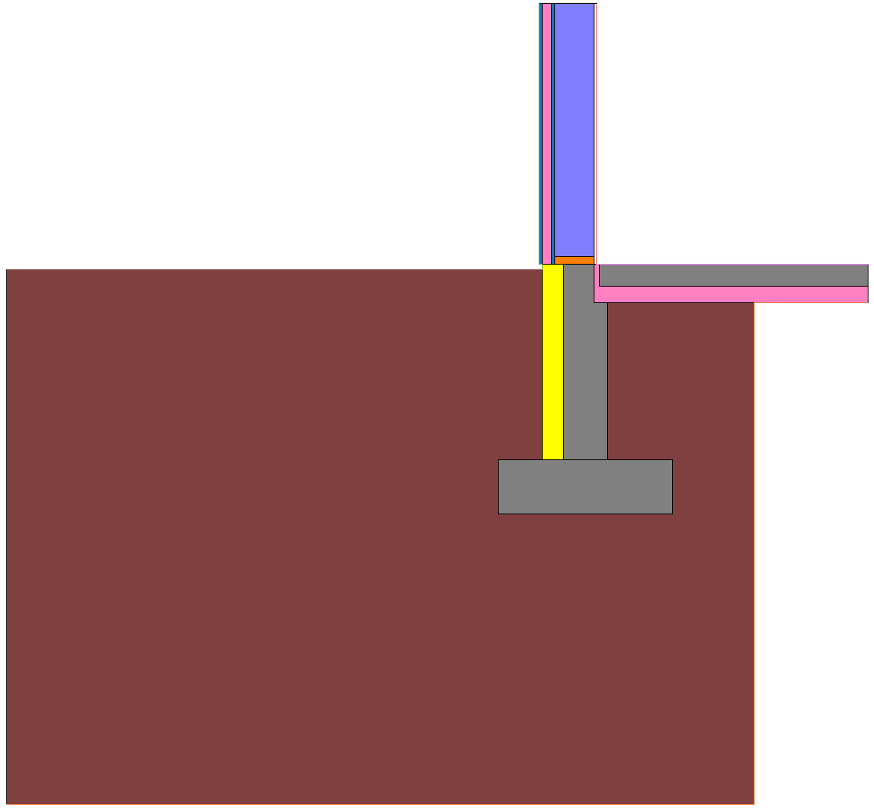 Material View
 |  |  |  |  |  |  | Roof | Ex. | 68 | 0.57
 |  |  |  |  |  |  | Floor | Ex. | 68 | 0.97

 |  |  |  |  |  |  | Outdoor
 |  |  |  |  |  |  | Ambient | Ex. | 14 | 0.23/0.45
 |  |  |  |  |  |  | Ground | Ex. | 41 | 0

 | *Enter values from THERM into yellow cells

 | 2D model |  |  |  | U | dT | L | ULdT | error
 |  |  |  |  | (btu/hr.sf.F) | (F) | (in) | (btu/hr.ft) | (%)
 |  |  |  | INT | 0.01 | 54 | 98.00 | 4.41 | 1.74%
 |  |  |  | EXT | 0.002 | 54 | 497.19 | 4.47 | 1.74%
 |  |  |  |  |  |  |  |  |  |  | 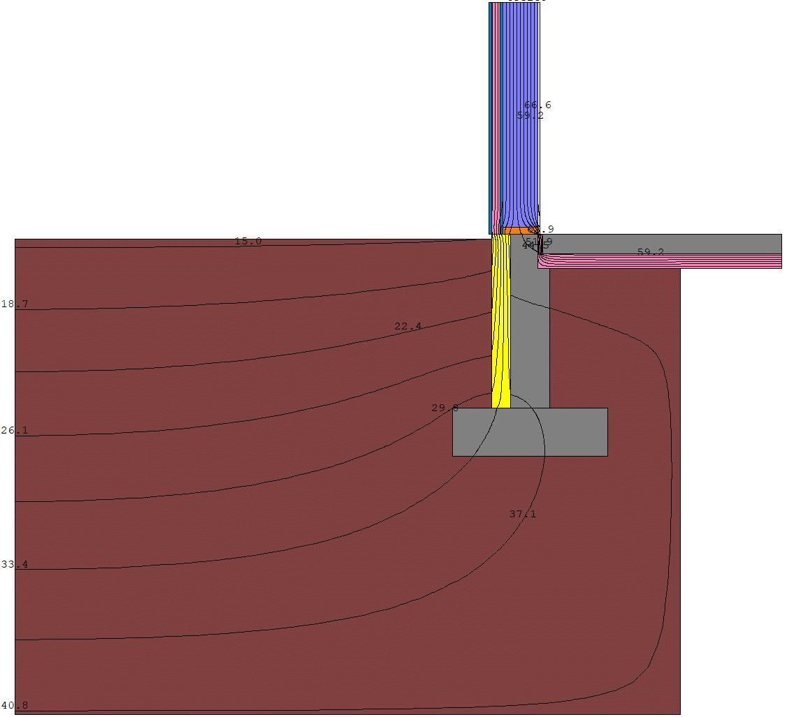 Isotherm view
 | Component |  |  |  | U | dT | L | ULdT | error
 |  |  |  |  | (btu/hr.sf.F) | (F) | (in) | (btu/hr.ft) | (%)
 | Component A |  |  | INT | 0.0227 | 54 | 55.00 | 5.62 | 0.00%
 | Wall |  |  | EXT | 0.02 | 54.00 | 55.00 | 5.62 | 0.00%

 | Component B |  |  | INT | 0.0614 | 27 | 60.25 | 8.32 | 0.00%
 | Slab |  |  | EXT | 0.0614 | 27.00 | 60.25 | 8.32 | 0.00%

 | Psi |  |  |  | PsidT | dT | Psi | Psi for WUFI
 |  |  |  |  | (btu/hr.ft) | (F) | (btu/hr.ft.F) | (btu/hr.ft.F)
 |  |  |  | INT | -9.53 | 54.00 | -0.177 | -0.176
 |  |  |  | EXT | -9.47 | 54.00 | -0.175
 | PHIUS recommends against taking negative thermal bridges in the design phase. See Thermal Bridges section in Certification Guidebook.

Component A |  |  |  |  |  | Component B |  |  |  |  | Infrared

Example 2
 |  | Phius Thermal Bridging Psi-Value Calculator & Report v2.4

 |  |  |  |  |  |  |  |  |  |  | 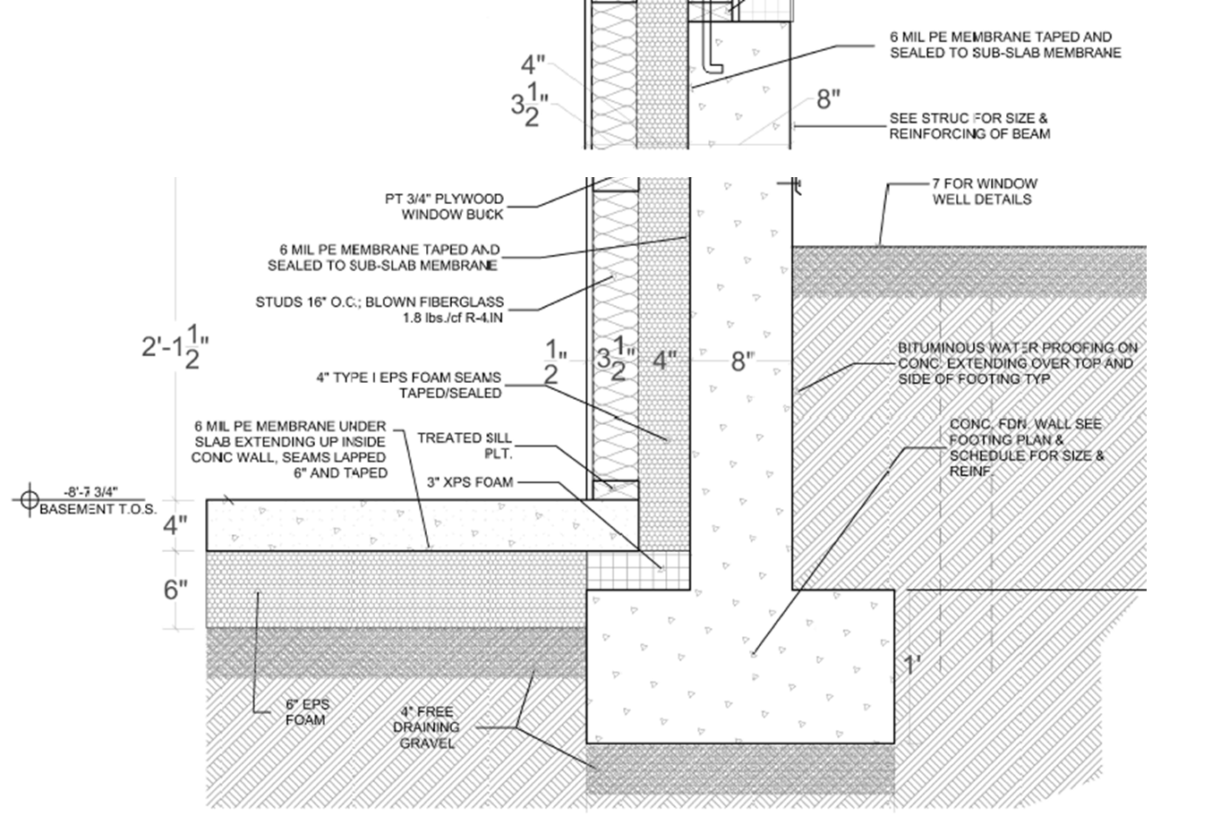 Detail view
 | Detail
 | Description |  | Emery Street Foundation Perimeter
 | File name |  | PHIUS CPHC Training THERM Tutorial

 | Project name |  | Emery Street
 | Project # |  | 1243
 | Date |  | 2019-03-27
 | Company |  | PHIUS CPHC Training

 | General Scheme (select)
 |  |  |  |  |  |  | Boundary |  |  | Surface
 |  |  |  |  |  |  | Conditions |  | T (F) | Film
 |  |  |  |  |  |  |  |  |  | Resist.
 |  |  |  |  |  |  | Indoor |  |  | (R-Value)
 |  |  |  |  |  |  | Wall | Ex. | 68 | 0.74 | 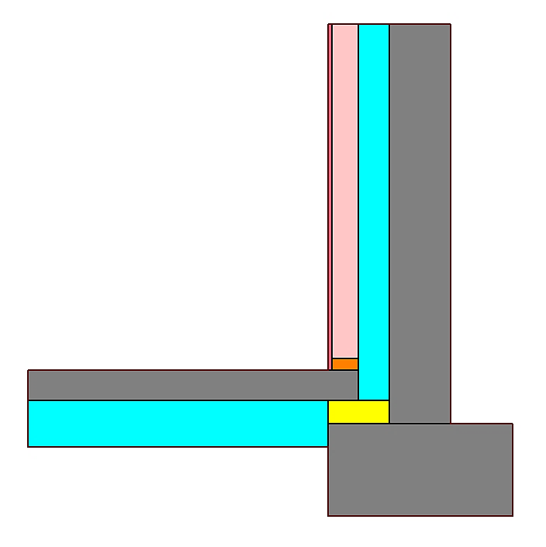 Material View
 |  |  |  |  |  |  | Roof | Ex. | 68 | 0.57
 |  |  |  |  |  |  | Floor | Ex. | 68 | 0.97

 |  |  |  |  |  |  | Outdoor
 |  |  |  |  |  |  | Ambient | Ex. | 14 | 0.23/0.45
 |  |  |  |  |  |  | Ground | Ex. | 41 | 0

 | *Enter values from THERM into yellow cells

 |  |  |  |  | U | dT | L | ULdT | error
 | 2D model |  |  |  | (btu/hr.sf.F) | (F) | (in) | (btu/hr.ft) | (%)
 |  |  |  | Interior | 0.0426 | 27.00 | 84.04 | 8.05 | 7.70%
 |  |  |  | Exterior | 0.0249 | 27.00 | 144.148 | 8.08 | 7.70%
 |  |  |  |  |  |  |  |  |  |  | 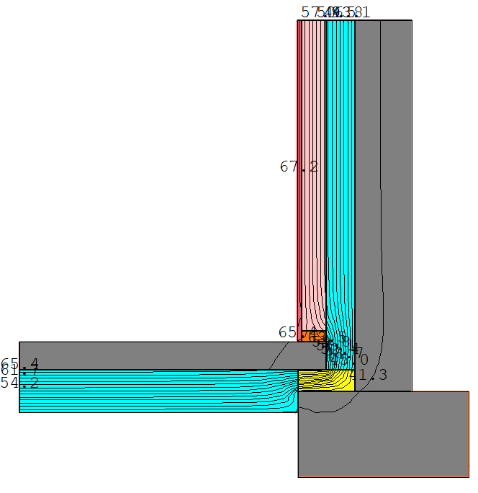 Isotherm view
 | Component |  |  |  | U | dT | L | ULdT | error
 |  |  |  |  | (btu/hr.sf.F) | (F) | (in) | (btu/hr.ft) | (%)
 | Component A |  |  | Interior | 0.0315 | 27.00 | 55.1 | 3.90 | 0.00%
 | Wall 1D |  |  | Exterior | 0.032 | 27.00 | 55.05 | 3.90 | 0.00%

 | Component B |  |  | Interior | 0.0396 | 27.00 | 55.0 | 4.90 | 0.00% |  |  | `
 | Slab 1D |  |  | Exterior | 0.0396 | 27.00 | 55.01 | 4.90 | 0.00%

 | Psi |  |  |  | PsidT | dT | Psi | Psi for WUFI
 |  |  |  |  | (btu/hr.ft) | (F) | (btu/hr.ft.F) | (btu/hr.ft.F)
 |  |  |  | Interior | -0.75 | 27.00 | -0.028 | -0.027
 |  |  |  | Exterior | -0.73 | 27.00 | -0.027
 | PHIUS recommends against taking negative thermal bridges in the design phase. See Thermal Bridges section in Certification Guidebook.

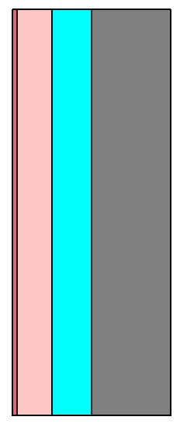 Component A |  |  |  |  |  | Component B |  |  |  |  | 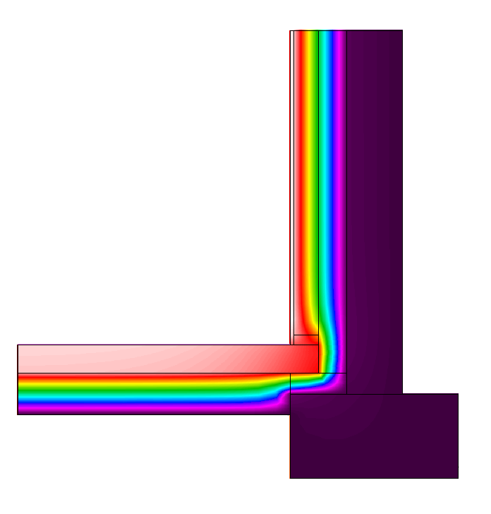 Infrared

Perimeter Boundary Reference
