DOE
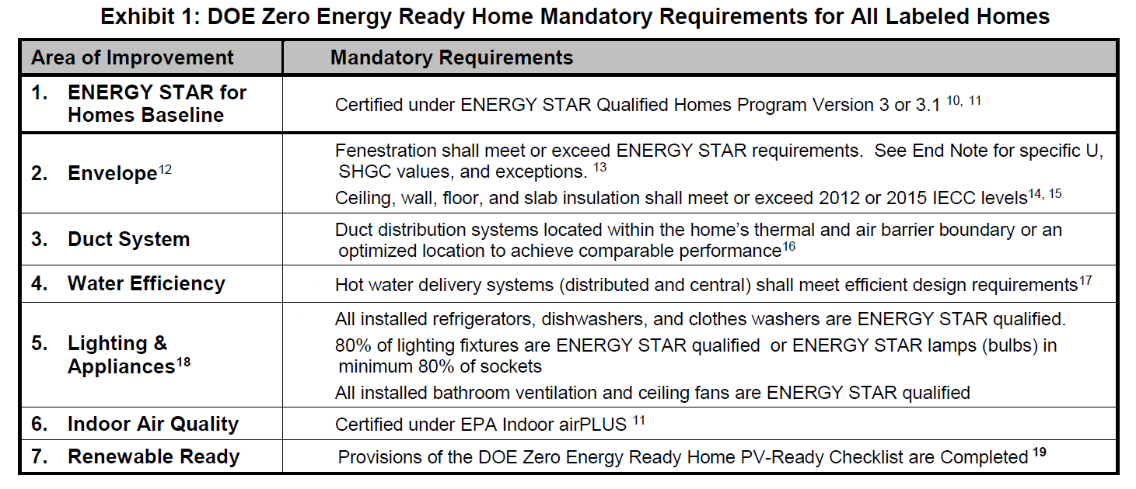

#REF!
#REF!

Appendix Calculators
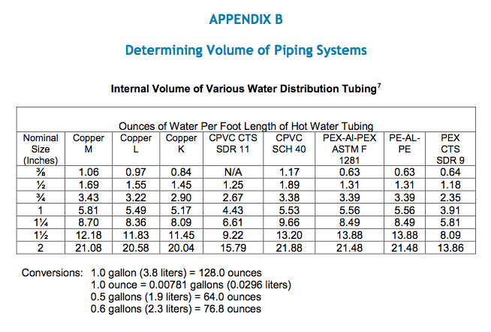
spreadsheet created by John Semmelhack
send comments to semmelhack@think-little.com

Estimate depressurization, given an exhaust airflow rate and an estimated cfm50 blower door test result:
dP = 50*((cfmfan/cfm50)^(1/0.65))

cfmfan | cfm50 | dP
 |  | #DIV/0!

Estimate airflow with a given pressure difference and a known cfm50 result

cfm50 | dP | cfmdp
 |  | 0.000

Airflow in cfm of an unrestricted hole at a known pressure difference:
Airflow = (area of hole in2) x (Pa^0.5)

Hole | Pa | Airflow
 |  | 0

Volume of standing water calculator

 | Size |  | Type | Oz. per ft | Length | Ozs.
Trunk |  |  |  |  |  | 0
Branch |  |  |  |  |  | 0
Twig |  |  |  |  |  | 0
TOTAL |  |  |  |  |  | 0
TOTAL in gallons |  |  |  |  |  | 0.00

