ENERGY STAR 2
Home Address: | [type address]
City: | [type city]
State:
Permit Date:
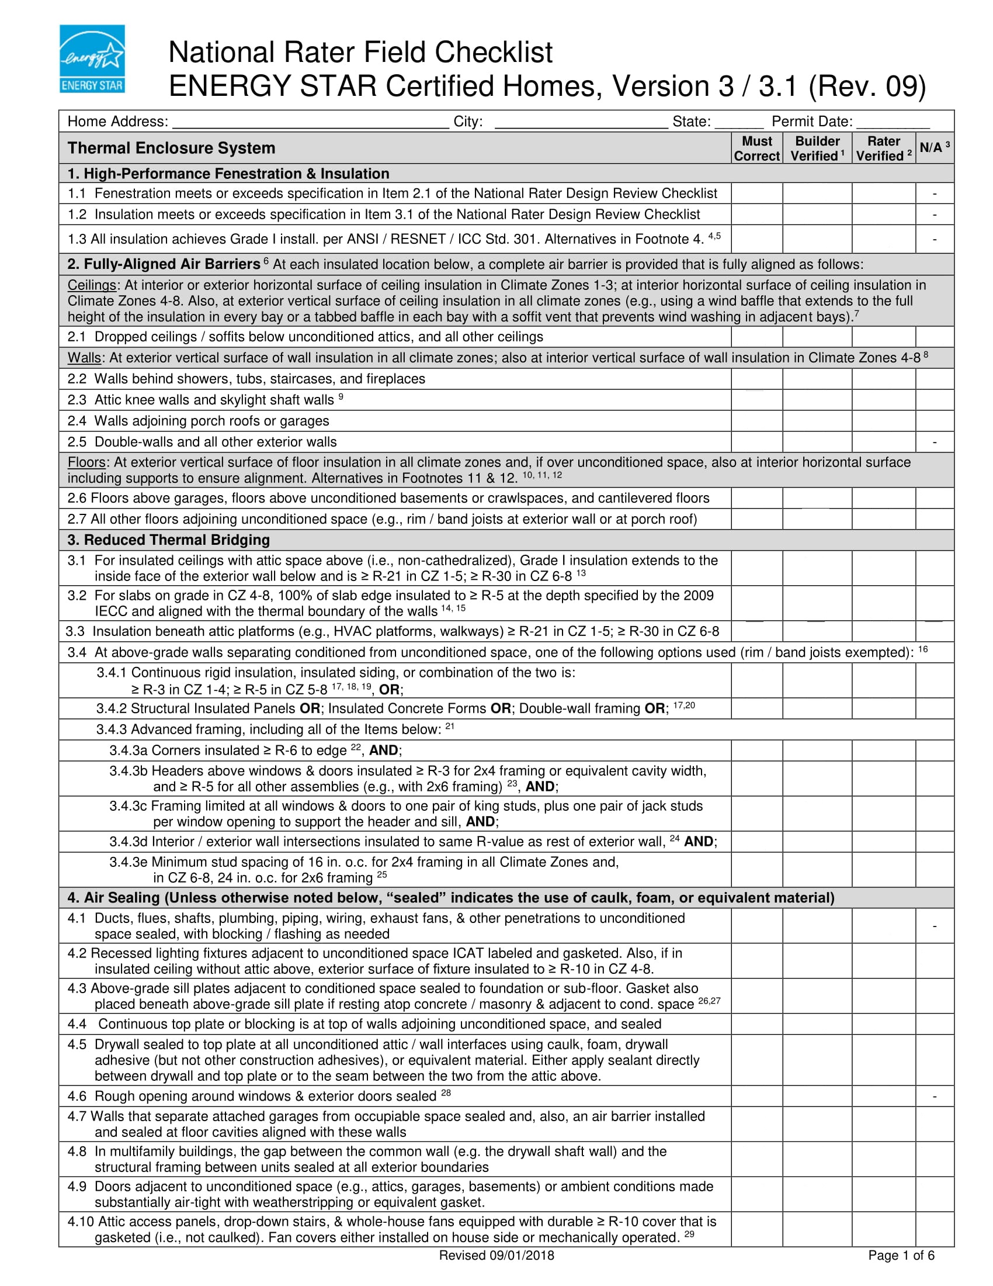

ENERGY STAR 3
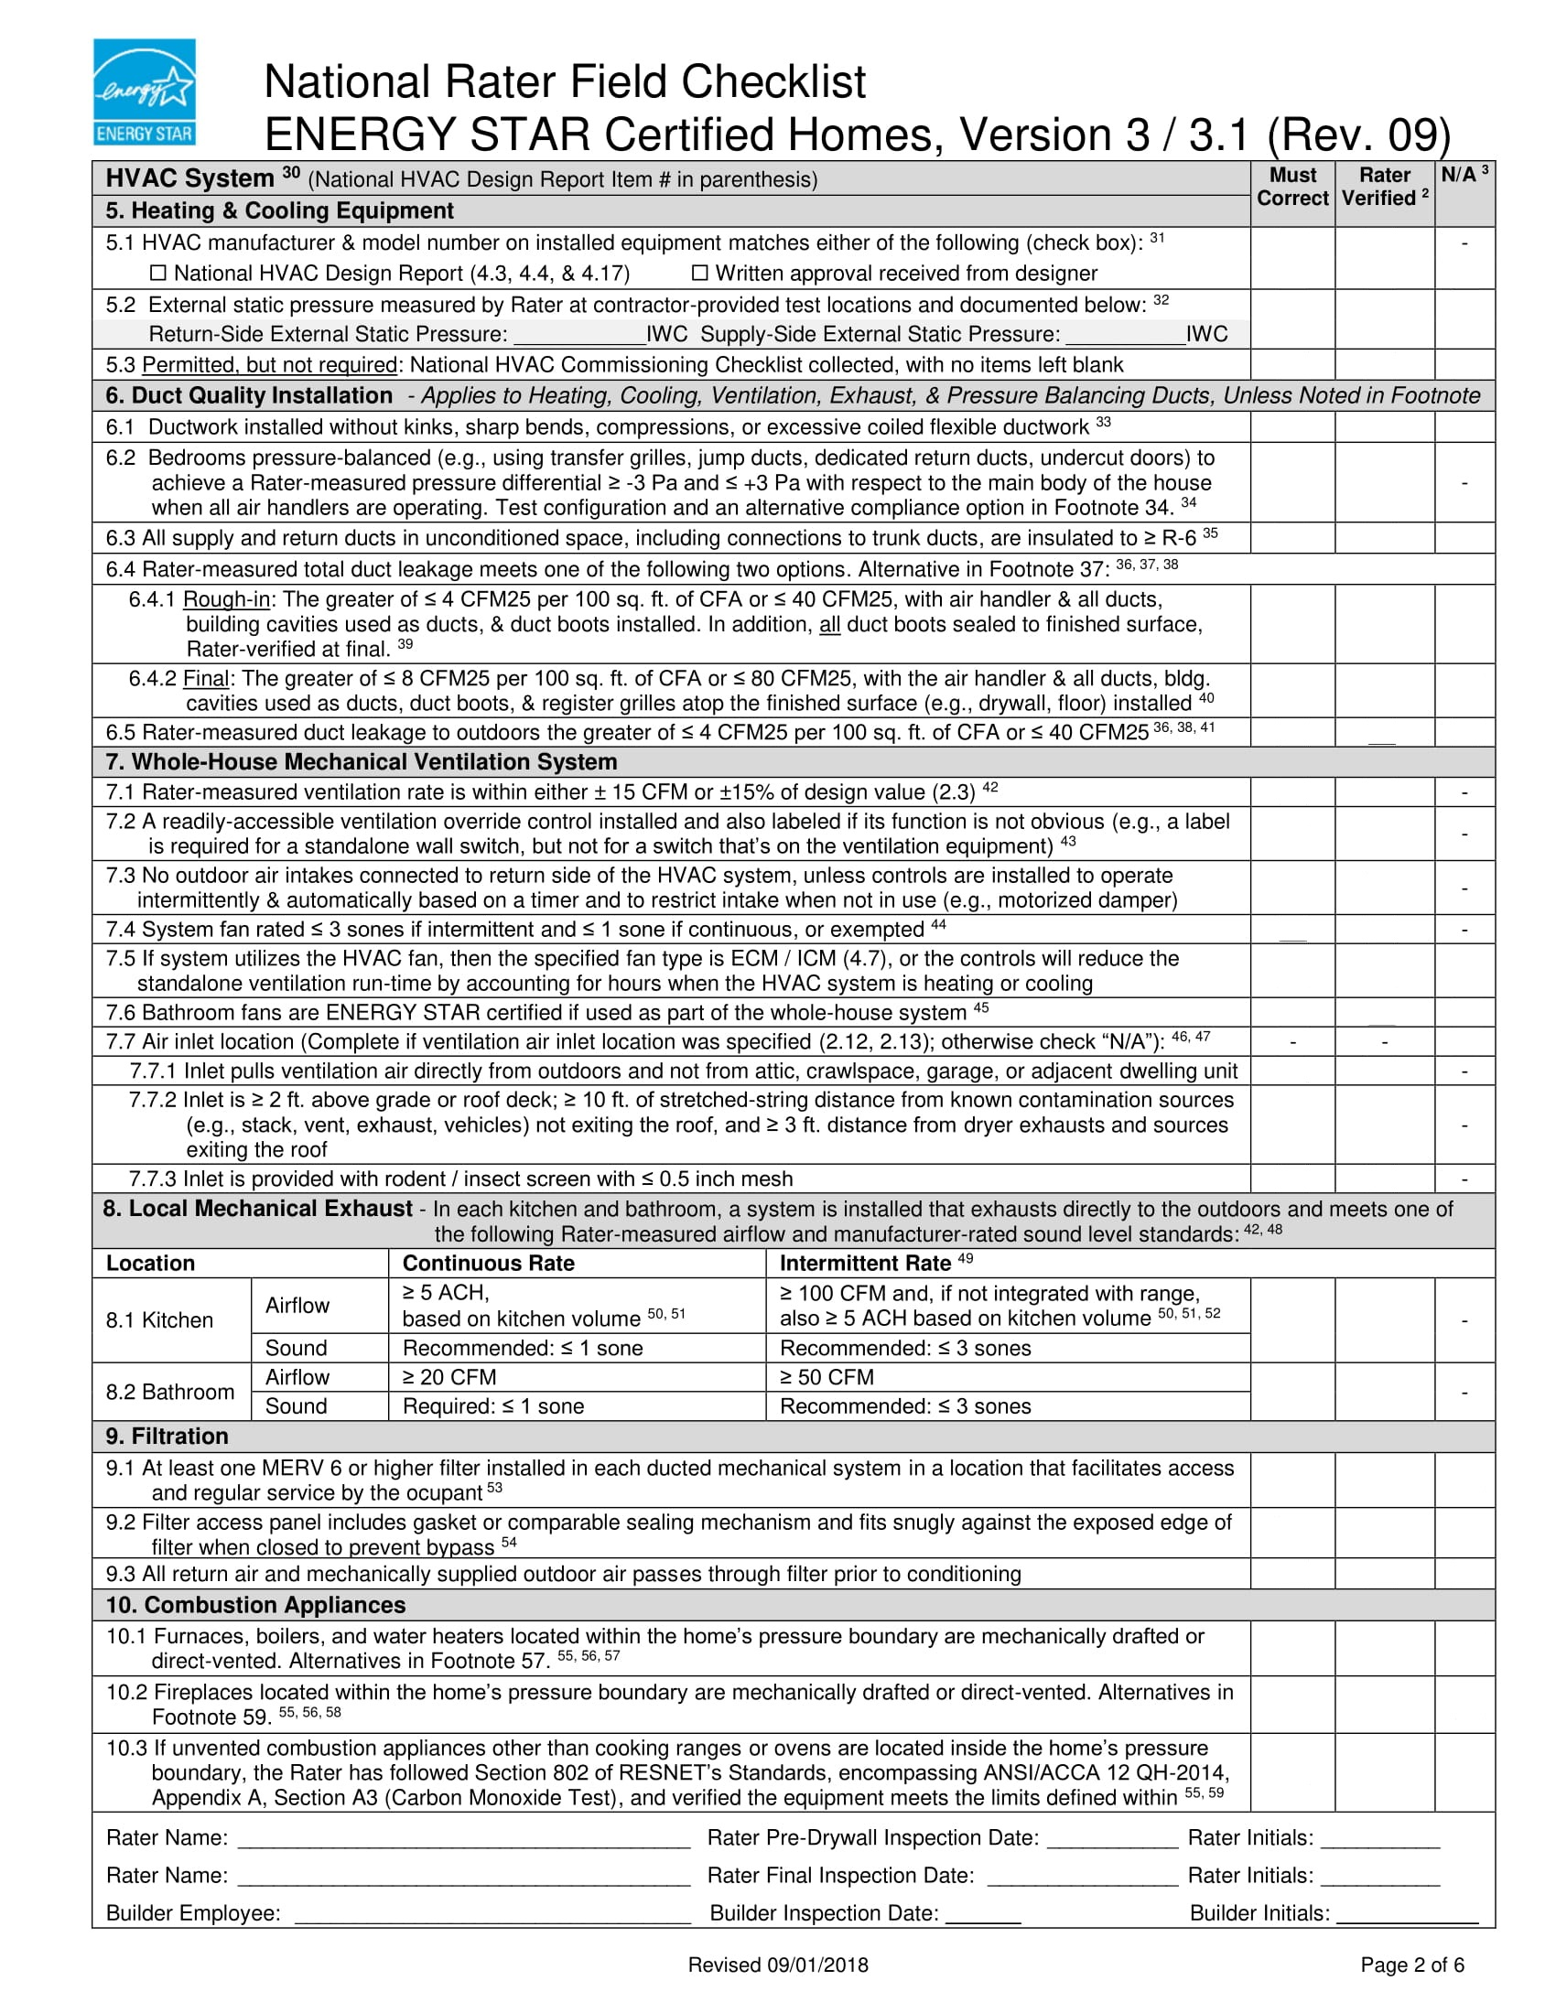

 |  | - | -

 |  |  | ##
 |  |  | ##

 |  | - | -

Rater Name: | Rater Pre-Drywall Inspection Date: | Rater Initials:
Rater Name: | Rater Final Inspection Date: | Rater Initials:
Builder Employee: | Builder Inspection Date: | Rater Initials:

DOE
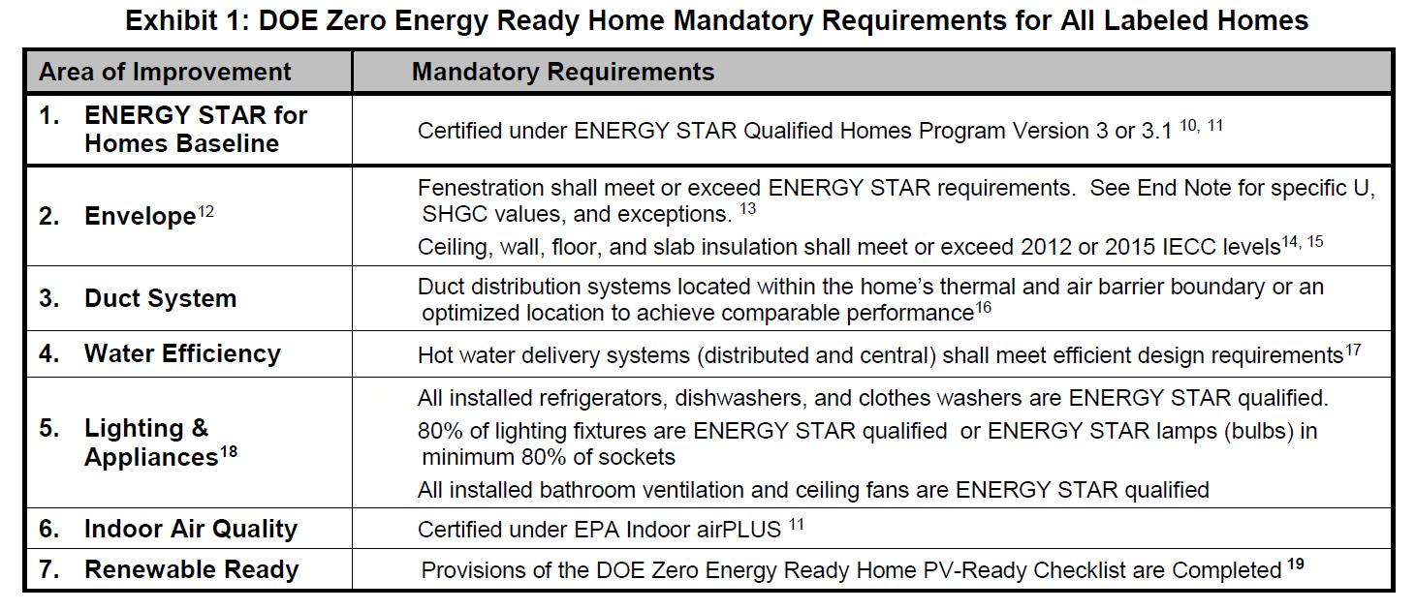

Indoor Air Plus
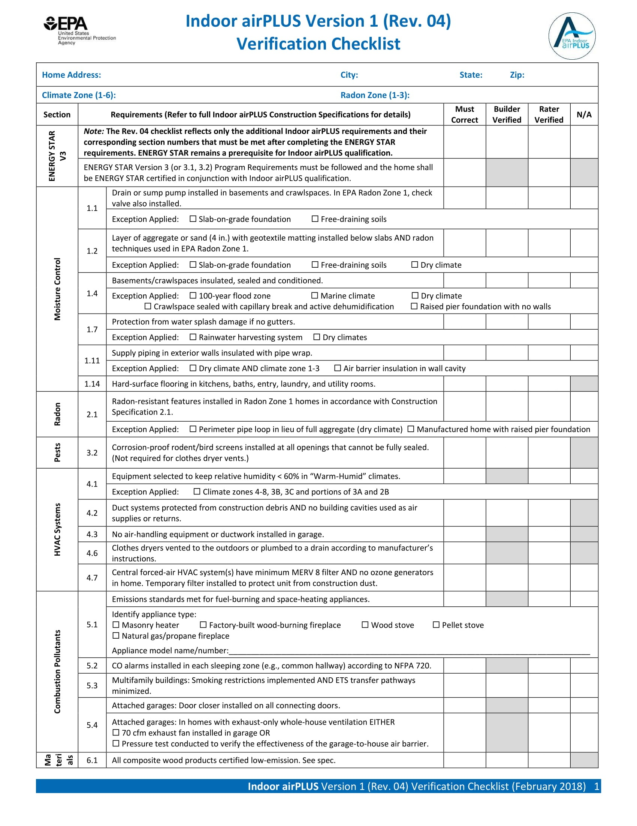

Materials

Rater Company:
Rater Employee:
Rater Signature:
Date:

Builder Company:
Builder Employee:
Builder Signature:
Date:

Appendix Calculators
spreadsheet created by John Semmelhack
send comments to semmelhack@think-little.com

Estimate depressurization, given an exhaust airflow rate and an estimated cfm50 blower door test result:
dP = 50*((cfmfan/cfm50)^(1/0.65))

cfmfan | cfm50 | dP
 |  | #DIV/0!

Estimate airflow with a given pressure difference and a known cfm50 result

cfm50 | dP | cfmdp
 |  | 0.000

Airflow in cfm of an unrestricted hole at a known pressure difference:
Airflow = (area of hole in2) x (Pa^0.5)

Hole | Pa | Airflow
 |  | 0

Estimate airflow with a given pressure difference and a known cfm500 result

cfm500 | dP | cfmdp
 |  | -

Volume of standing water calculator

 | Size |  | Type | Oz. per ft | Length | Ozs.
Trunk |  |  |  |  |  | 0
Branch |  |  |  |  |  | 0
Twig |  |  |  |  |  | 0
TOTAL |  |  |  |  |  | 0
TOTAL in gallons |  |  |  |  |  | 0.00
