PV Utilization Calculator
 | PHIUS+ Core PV utilization calculator v1.1

STEPS
1 | Select Climate Zone | 5
 | a0 | 6.358
 | a1 | 4.71
 | a2 | 15.984
2 | Input annual total electricity usage (site) from energy model | 6000 | kWh

3 | Input planned array size (kW) in cell B15 below.
4 | Use NREL's Pvwatts calculator to determine annual PV generation (kWh), input in C15 below.
 | http://pvwatts.nrel.gov
 | *Print Pvwatts output report and include with PHIUS submission.
 | Array size (kW) | Annual PV generation (kWh) | PV kWh / Total usage kWh | Onsite utilization fraction (coincident production-and-use) | Input into WUFI Passive 'Photovoltaic/renewable energy [kwh/yr]'
 | 1.5 | 1725 | 0.288 | 0.769 | 1327

5 | In WUFI Passive, add new device under the Systems branch. Select 'Photovoltaic/Renewable Energy' device type.
 | Under PHIUS+ 2018 mode, the 'Onsite Utilization' is set to 1.
 | Input the annual PV generation (cell C15) multiplied by the corresponding onsite utilization fraction (cell E15) into the 'Photovoltaic/Renewable Energy' input.
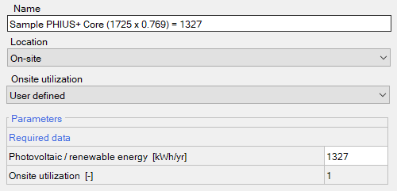

6 | Compare additional array sizes if desired.
 | Array size (kW) | Annual PV generation (kWh) | PV kWh / Total usage kWh | Onsite utilization fraction (coincident production-and-use) | Input into WUFI Passive 'Photovoltaic/renewable energy [kwh/yr]'
 | 0.5 | 575 | 0.096 | 1.000 | 575
 | 1 | 1150 | 0.192 | 0.891 | 1025
 | 2.5 | 2875 | 0.479 | 0.584 | 1680
 | 3.5 | 4025 | 0.671 | 0.464 | 1867
 | 5.5 | 6350 | 1.058 | 0.324 | 2055
 | 8 | 9250 | 1.542 | 0.234 | 2160
 | 10 | 11500 | 1.917 | 0.192 | 2206

