Convert cfm50 to cfm75
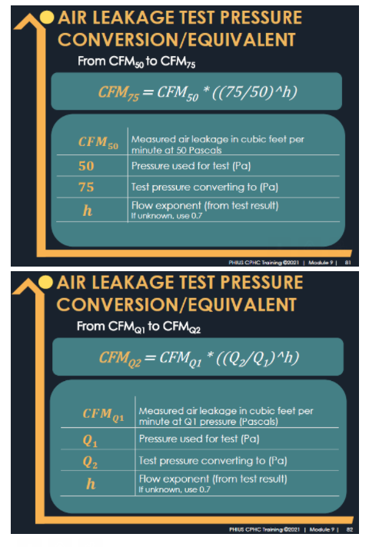
Phius Airtightness Pressure Conversion Calculator: CFM50 Pa to CFM75 Pa |  | Required input cells. |  | Calculated. |  | Threshold

 |  | Pressurization | Depressurization
CFM75 | Converted air leakage in cubic feet per minute at 75 Pascals. | 4,237 | 4,136
CFM50 | Measured air leakage in cubic feet per minute at 50 Pascals. | 3,220 | 3,260
h | Flow exponent (from test result) If unknown, use 0.7. | 0.677 | 0.587
Building Surface Area (sf) |  | 52,867 | 52,867
 |  |  |  |  | Threshold (<5 stories)
Results |  | Pressurization | Depressurization | Average Result | PHIUS+ 2015 | Performance Path: PHIUS+ 2018, Phius 2021/2024 | Prescriptive Path: Phius 2021/2024
CFM75/sf | Converted air leakage in cubic feet per minute at 75 Pascals per square foot of envelope area. | 0.080 | 0.078 | 0.079 | 0.080 | 0.080 | 0.053
CFM50/sf | Measured air leakage in cubic feet per minute at 50 Pascals per square foot of envelope area. | 0.061 | 0.062 | 0.061 | 0.050 | 0.060 | 0.040

